Oil Filter Head
PT KOMATSU REMAN INDONESIA

OIL FILTER HEAD DELIVERY AND
RECEIVING INSPECTION CHECKSHEET

JOB NUMBER |  |  |  |  |  |  | PART NAME |  |  | OIL FILTER HEAD | DOCUMENT NO. |  |  | QR01-SA-010-01
ENGINE MODEL |  |  | 6D170E-3 |  |  |  | PART NUMBER |  |  |  | PUBL. DATE |  |  | 01/08/2008
ENGINE S/N |  |  |  |  |  |  | START DATE / TIME |  |  |  | REVISION NO. |  |  | 02
MACHINE MODEL |  |  |  |  |  |  | FINISH DATE / TIME |  |  |  | PAGE |  |  | 1 of 1

SKETCH DRAWING

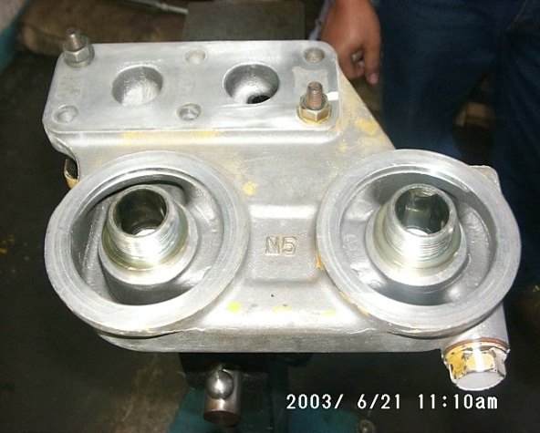
 |  |  |  |  |  |  |  | VISUAL INSPECT |  |  |  | MEC |  | QA
 |  |  |  |  |  |  |  |  |  |  |  | OK | NO | OK | NO
 |  |  |  |  |  |  |  | FREE CORROSION AND DIRT
 |  |  |  |  |  |  |  | CRACK HAS BEEN CHECKED
 |  |  |  |  |  |  |  | THREADS HAS BEEN CHECKED
 |  |  |  |  |  |  |  | BOLTS HAS BEEN TIGHTENED

 |  |  |  |  |  |  |  | Notes :

 | Physical Data
 | No | Part Name |  | Part Number | Qt'y | Check

RECEIVING INSPECTION COMMENT :

 | DELIVERY BY SUB ASSY 2 |  |  |  |  |  |  |  | RECEIVING INSPECTION BY MECHANIC
 | DELIVERED DATE : |  |  |  |  |  |  |  | INSPECTION DATE :
 | MECHANIC NAME : |  |  |  |  |  |  |  | MECHANIC NAME :
 | SIGN |  |  |  |  |  |  |  | SIGN

 | Note : New Oil Filter Head & after finishing can be directly measured by QA (Quality Assurance )

